Sheet1
 | Document No. | Issue No. |  | Issue Date |  | Review and Replace Date |  | Authorised By
 | GFF332MC | 3 |  | 11.10.2021 |  | 27.10.2022
 | Document Title | 8 LEMONGRASS & VEGETABLES SPRING ROLLS 165g
 | Film Updated |  |  |  | Page |  | 1 of 1 | Magda Shah
Document amendments reason for change |  |  |  |  | Previous Issue Date |  | 08.04.2022 | Uncontrolled copy unless signed original

CVLSRB-R1TEB | BOOTHS - XMAS |  | 8 Lemongrass & Vegetables Spring Rolls 165g
STEP 1 |  |  |  |  | STEP 2
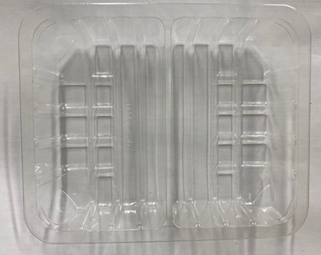 |  |  |  |  | 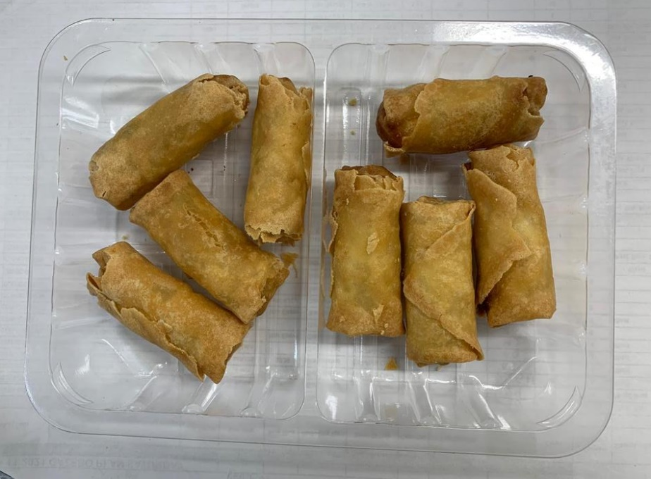

IF TOTAL WEIGHT IS LESS THAN 165g
ADD 1 MORE SPRING ROLL

Tray: SK4 - Split (PKESS001-06) |  |  |  |  | 8 x Lemongrass & Vegetables Spring Rolls (GFF405R): 21g
Film: K-peel 7G+25A/f-275mm (PKKMP001-03)
TOTAL WEIGHT: 165g

ALLERGY ALERT: WHEAT, SOYA, SESAME

